MM1

Universal Bookstore Mangment Software
Dashboard
Customer info/Search |  |  |  |  | Quick Search
Invoicing
Order Tracking

Sales Orders |  | Sales Order | Online / Shop
 |  | Credit Sales
 |  | Cash Sales
 |  | Bundle Sales
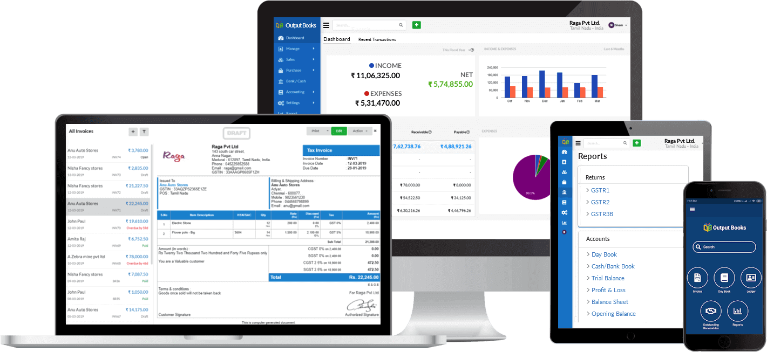
 |  | Delivery Challan / Materials Out
 |  | Credit Note
Purchase Orders |  | Delivery Challan / Materials IN
 |  | Credit Purchase
 |  | Cash Purchase
 |  | Debit Note

Stock |  | Opening Balance
 |  | Stock Monthwise
 |  | Stock Rejection Return
 |  | Stock Rejection Non Return
Accounts /Payment |  | Payment Details
 |  | Payment Config
Masters
 |  | Barcode Master Genrate
 |  | Branch Master
 |  | Brand Creation
 |  | Brand- Publishers
 |  | Consumer Master
 |  | Cash Counter
 |  | Catalog Management
 |  | Category master
 |  | Create Bundel
 |  | Employee ID
 |  | HSN CODE Master
 |  | All ID Master
 |  | Item Master
 |  | School Master
 |  | Supplier Master
 |  | Tax Master
 |  | Units of measures

Excel Import |  | import Excel
 |  | Export Excel | table structure
MIS Report

Website Management
Employee Mangement |  | Attendnce | As per Payroll
 |  | Salary
 |  | Leave
User Management |  | User Details | UBARMS & Office mangment
 |  | User Roll
 |  | Roll Master
 |  | Change Password
Company |  | Create Company | backend create Accounting Unit, Each company having unique number all moduel work under company name and accounting id wise, each model view,submit, modify , delete work based on account id only
 |  | Manage Company
 |  | Suspend Company
Backup |  | Daily 2 time
Logout

Database My Sql

 |  | Company ID | 4
 |  | Branch ID | 1
 |  | Module ID | 2
 |  | Trans ID | 8
 |  | Emp ID | A-Z
 |  | Sequenceid | 16 Digit

 |  | User name
 |  | Dateb& Time
 |  | No Detele Option / Just suspend and push to Temp Table

 | Key Genration

 |  | Create table in the name of UBM Key, same as Billing activaition Key/ Write Web service as it is ubarms |  | office managw

MM_Dashboard
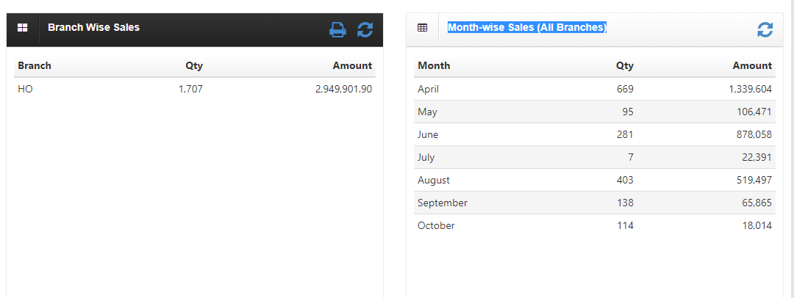
UBM -Universel Book Management

 | Total Credit Limit | ₹ 25,00,000.00 | Total Outstanding | ₹ 4,93,649.54 | Dashboard

 | Overdue | ₹ 2,17,646.54 | Available Credit Limit | ₹ 20,06,350.46

 | Chart Area |  |  |  | Daily Sales

 |  |  |  |  | Daily Purchase

 |  |  |  |  | Daily Orders

 |  |  |  |  | Sales

 |  |  |  |  | Sales

 |  |  |  |  | Sales

 |  |  |  |  | Sales

 |  |  |  |  | Online Order Notification

 | Sales | Purchase | Income | Expense

Customer
Customer

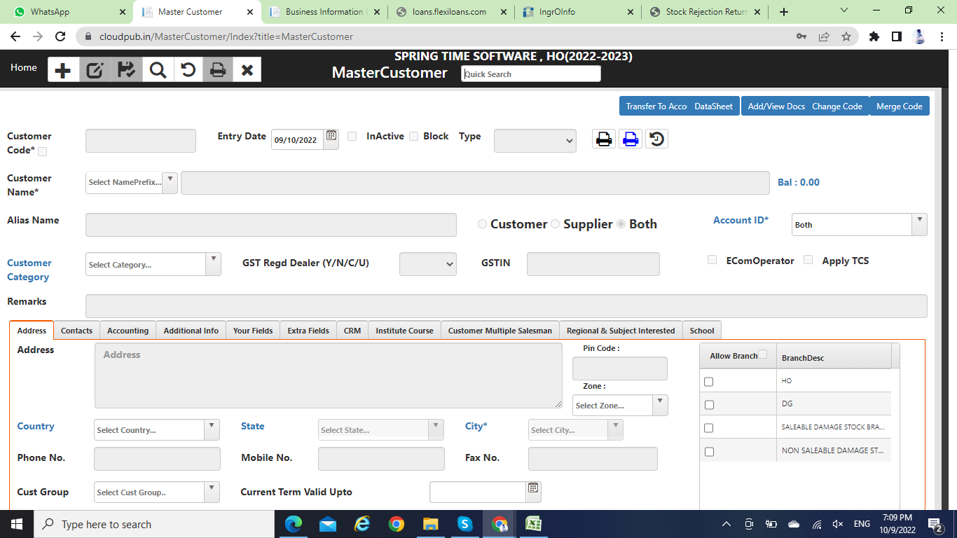
 |  | Customer info | Credit Limit | Purchase | Payment | Bank Details | School Name | Busniess Info

 | Customer Mob No |  | Customer Name |  | Customer ID |  | Search

 | Entry Date |  | Category |  | Customer type | Customer/ Supplier /Both

 | Customer Name

 | Alias Name |  |  |  | OB

 | EmailID |  | Mobile |  | Cust Group

 | City |  | GST Regd Dealer | Yes /No | Route

 | Address

 | City |  | State |  | Pincode

 | Web Site |  | GSTN Type |  | GSTN Reg Number

 | Date of Birth |  | Marriage Anniversary |  | EMD Amount |  | EMD Date

 | Remarks

 |  |  | Submit | Modify | Delete

 | Credit Limit |  | Credit Limit in % |  | Used Credit Limit |  | Used Credit Limit in %

 | No. of Credit Days |  | Status |  | Pan Card No |  | Name on Pan Card

 | Reminders |  | Dispatch Mode |  | Document Through

 | Purchase No |  | Invoice Amount |  | Purchased Date |  | Payment | Yes/ No

 | Purchase Item |  |  |  | Puchase Qty |  | Amount

 | Total |  |  |  | Total Puchase Qty |  | Total Amount

 | Account Name |  | Bank Name |  | Account number |  | IFSC CODE

 | Bank Address

 | Customer Name | Customer Code | Invoice number | Invoice Amount | Invoice Date | Payment Status | Payment Mode | Payment Date

 | School Name |  |  |  | School Code |  | Payment | Yes/ No

 | School Address |  |  |  | Contact Number |  | Email ID

 | Contact person name |  |  |  | Designation

 | GST Type |  |  |  | GST Ref No

 | Busniess Name |  |  |  | Busniess Code |  | Payment | Yes/ No

 | Busniess Address |  |  |  | Contact Number |  | Email ID

 | Contact person name |  |  |  | Designation

 | GST Type |  |  |  | GST Ref No

Invoice
Invoice Deatils

 | Search Mobile /Consumer Name |  |  |  | Bundel Wise |  |  | Date | Dystem Date
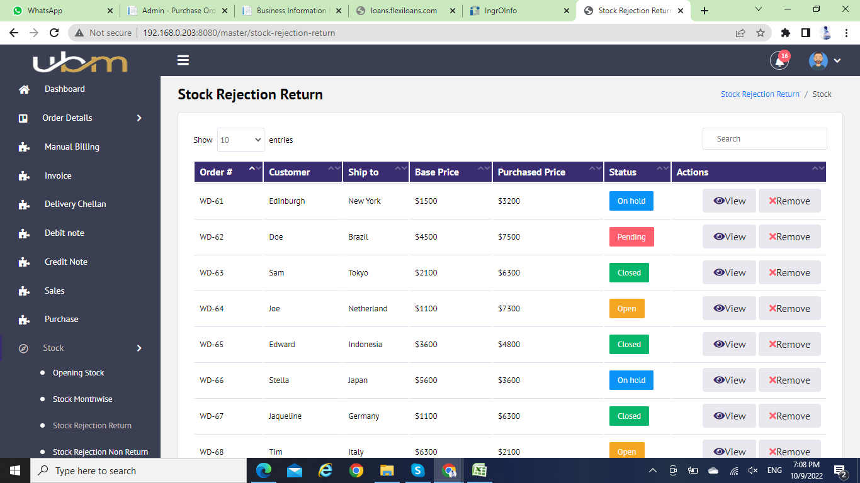

 | Show record

 | Invoice No | Invoice Date | Consumer Name | Total Qty | Dis % | Amount | Status | View | Remove

